Table
Time
 |  | Now | +2Y | +5Y | +10Y

Drivers | Market | (external)

 | Business | (internal)

Product | Power

 | Arhitecture

 | Design

 | Gasgets

 | Security

Technology | Materials

 | Manufacturing

 | Mechanical

 | Electronics

Resources | Other

Bycycle
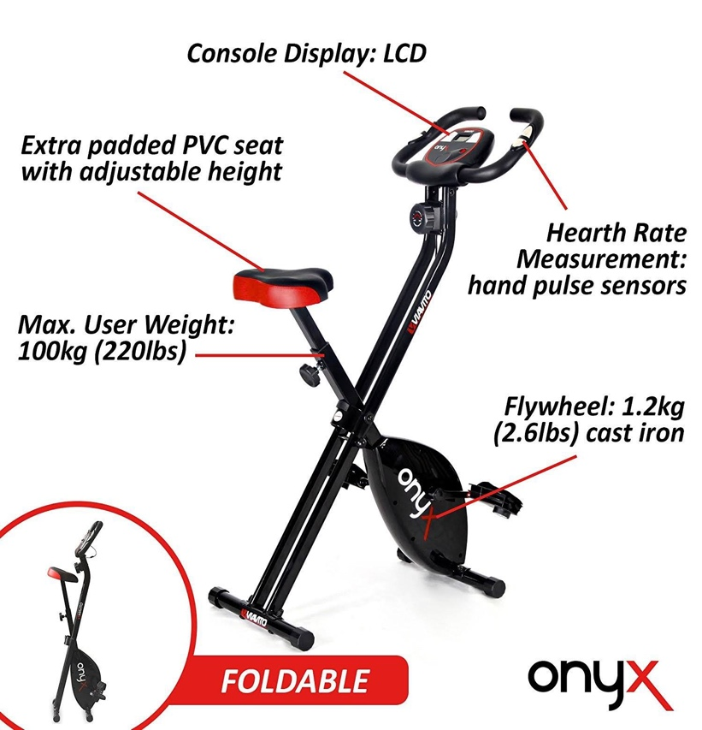
The Viavito Onyx folding exercise bike is a convenient and practical piece of equipment that will help you get in shape and work your lower body. With a 1.2kg (2.6lbs) flywheel and 8 levels of manually controlled
magnetic resistance, the bike ensures smooth motion and greater workout versatility, letting you stay in complete control of your ride.
The Onyx is strong but light and easy to fold up and store after use, making it very space-efficient and an excellent choice for use at home.
Features
Foldable, With Heart Rate Monitor
Type
Upright

